Item Definition
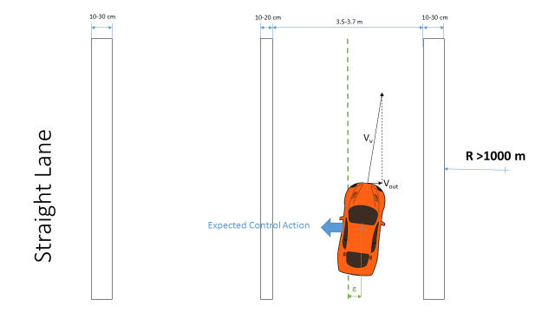
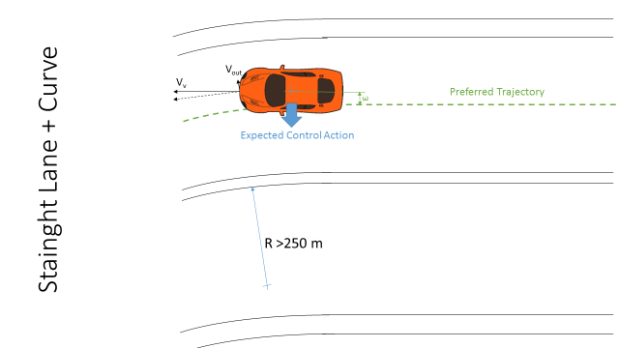
Scenario 1 | Scenario 2 | Scenario 3 | Scenario 4
Driving on a highway | Driving on a highway | Driving on a highway | Driving on a highway
Vehicle speed >50 kph | Vehicle speed >50 kph | Vehicle speed >50 kph | Vehicle speed >50 kph
On a straight road (R>1000 m) | On a straight road (1000>R>250 m) | On a straight road (R>1000 m) | On a straight road (1000>R>250 m)
Sunny weather | Sunny weather | Rainy/snowy weather | Rainy/snowy weather
Dry road conditions | Dry road conditions | Wet/slippery road conditions | Wet/slippery road conditions

HARA
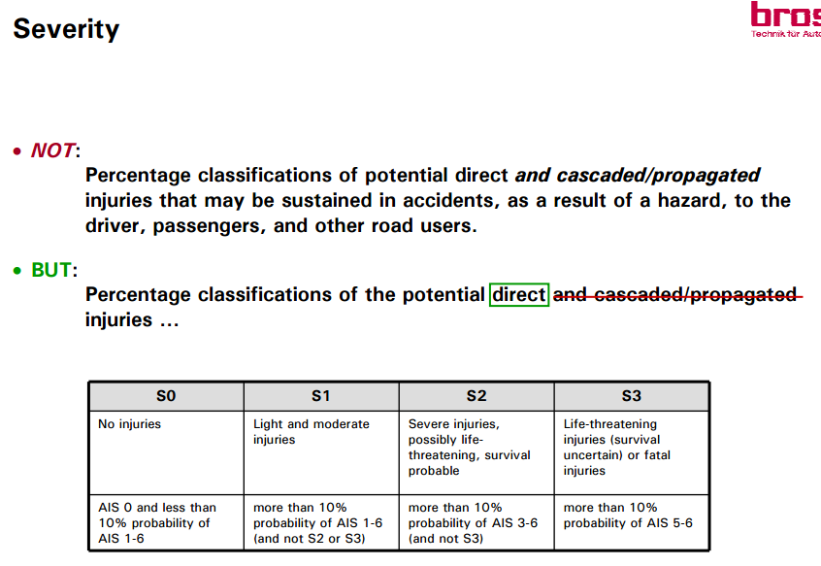
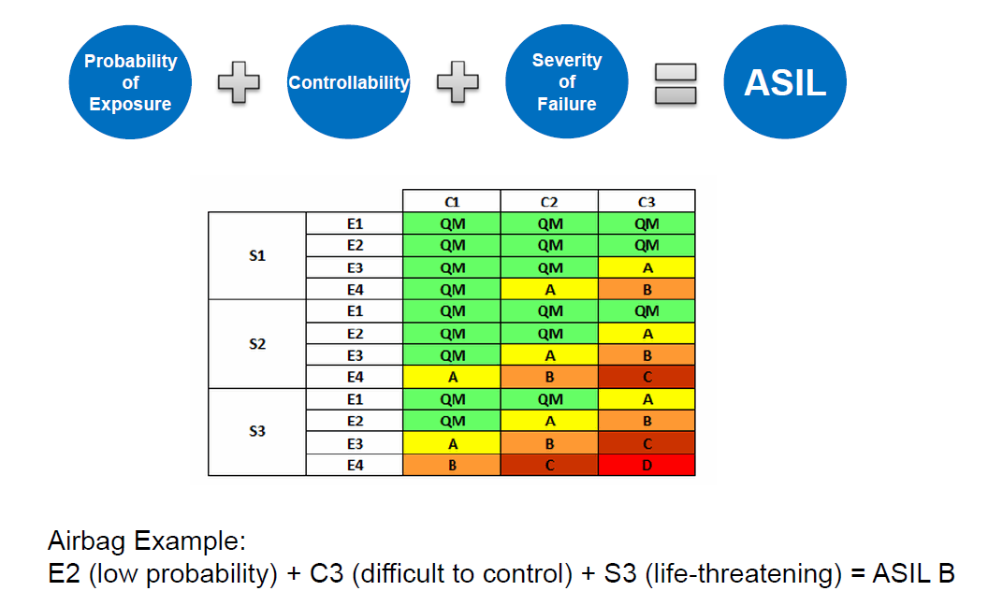
Hazard Analysis and Risk Assessment
Sr. No | Function |  | Hazard | Driving and Operating Situation |  |  | Effect of failure | Severity | Justification - S | Probability | Justification - E | Controllability | Justification - C | Resulting ASIL | Safety Goal
 |  |  |  | Scenario | Weather | Road layout and condition |  | 0-3 |  | 0-4 |  | 0-3

 | LKA
 |  | Active steering | excessive steering | Scenario 1 |  |  | Lateral collision (spinning) | 3 | V > 50 kph | 4 | Higher exposure, since no wet surface required | 2 | Straight line driving, car has enough grip | c | The system shall prevent excessive steering in all cases when ALKA is in operation.
 |  |  |  | Scenario 2, |  |  | Lateral collision (spinning) | 3 | V > 50 kph | 4 | Higher exposure, since no wet surface required | 3 | Already cornering and vehicle can spin, a bit harder than the previous | D
 |  |  |  | Scenario 3 |  |  | Lateral collision (spinning) | 3 | V > 50 kph | 3 | Decreased exposure, since rainy conditions required | 3 | Straight line driving, car has decreased grip | C
 |  |  |  | Scenario 4 |  |  | Lateral collision (spinning) | 3 | V > 50 kph | 3 | Decreased exposure, since rainy conditions required | 3 | Vehicle starts sliding, hard to get grip again | C
 |  |  |  | Scenario 7 |  |  | Lateral collision (spinning) | 3 | V > 50 kph | 4 | For home-work traffic during rush hours | 3 | Driver can react too late and has limited space available | D
 |  |  | Steering in opposite direction | Scenario 1 |  |  | Lateral collision | 3 | V > 50 kph | 4 | Higher exposure, since no wet surface required | 2 | System applies additional steer torque, driver always in control | c | The ALKA system shall steer the vehicle such that it follows the correct setpoint
 |  |  |  | Scenario 2 |  |  | Lateral collision | 3 | V > 50 kph | 4 | Higher exposure, since no wet surface required | 3 | Vehicle is already cornering, driver should notice this | D
 |  |  |  | Scenario 3 |  |  | Lateral collision (spinning) | 3 | V > 50 kph | 3 | Decreased exposure, since rainy conditions required | 3 | A fast counteractive driver steer torque can result in a spin | C
 |  |  |  | Scenario 4 |  |  | Lateral collision (spinning) | 3 | V > 50 kph | 3 | Decreased exposure, since rainy conditions required | 3 | A fast counteractive driver steer torque can result in a spin | C
 |  |  |  | Scenario 7 |  |  | Lateral collision (spinning) | 3 | V > 50 kph | 4 | For home-work traffic during rush hours | 3 | Driver can react too late and has limited space available | D
 |  |  | Insufficient steering | Scenario 1 |  |  | Lateral collision | 3 | V > 50 kph | 4 | Higher exposure, since no wet surface required | 1 | Driver can easily apply more torque | B | The system shall prevent too small steering torques in all cases when ALKA is in operation.
 |  |  |  | Scenario 2 |  |  | Lateral collision | 3 | V > 50 kph | 4 | Higher exposure, since no wet surface required | 1 | Driver can easily apply more torque | B
 |  |  |  | Scenario 3 |  |  | Lateral collision | 3 | V > 50 kph | 3 | Decreased exposure, since rainy conditions required | 2 | Driver can easily apply more torque, however, should not apply too much torque | B
 |  |  |  | Scenario 4 |  |  | Lateral collision | 3 | V > 50 kph | 3 | Decreased exposure, since rainy conditions required | 2 | Driver can easily apply more torque, however, should not apply too much torque | B
 |  |  |  | Scenario 7 |  |  | Lateral collision (spinning) | 3 | V > 50 kph | 4 | For home-work traffic during rush hours | 2 | Driver can react too late and has limited space available, however, effect is less | C
 |  | Image processing/ lane detection |  | Scenario 9, Scenario 10 |  |  | Lateral collision due to wrong detected lane markings | 3 | V > 50 kph | 3 | Low exposure, Debris not that often on road | 0 | Driver is still able to control the vehicle and avoid a crash | QM | The system shall prevent incorrectly determined vehicle positions w.r.t. the lane markings in all cases when ALKA is in operation.
 |  |  |  | All other scenarios |  |  | Lateral collision due to wrong detected lane markings | 3 | V > 50 kph (or <50 kph for scenario 11) | 4 | Assumed as a failure in lane detection during normal driving conditions | 0 | Driver is still able to control the vehicle and avoid a crash | QM
 |  | Vehicle Ego state |  | All scenarios |  |  | Lateral collision due to wrong detected ego state | 3 | V > 50 kph (or <50 kph for scenario 11) | 4 | Cornering/overtaking happens very often | 0 | Driver is still able to control the vehicle and avoid a crash | QM | The system shall prevent incorrectly sensed vehicle ego state parameters in all cases when ALKA is in operation

Sheet1
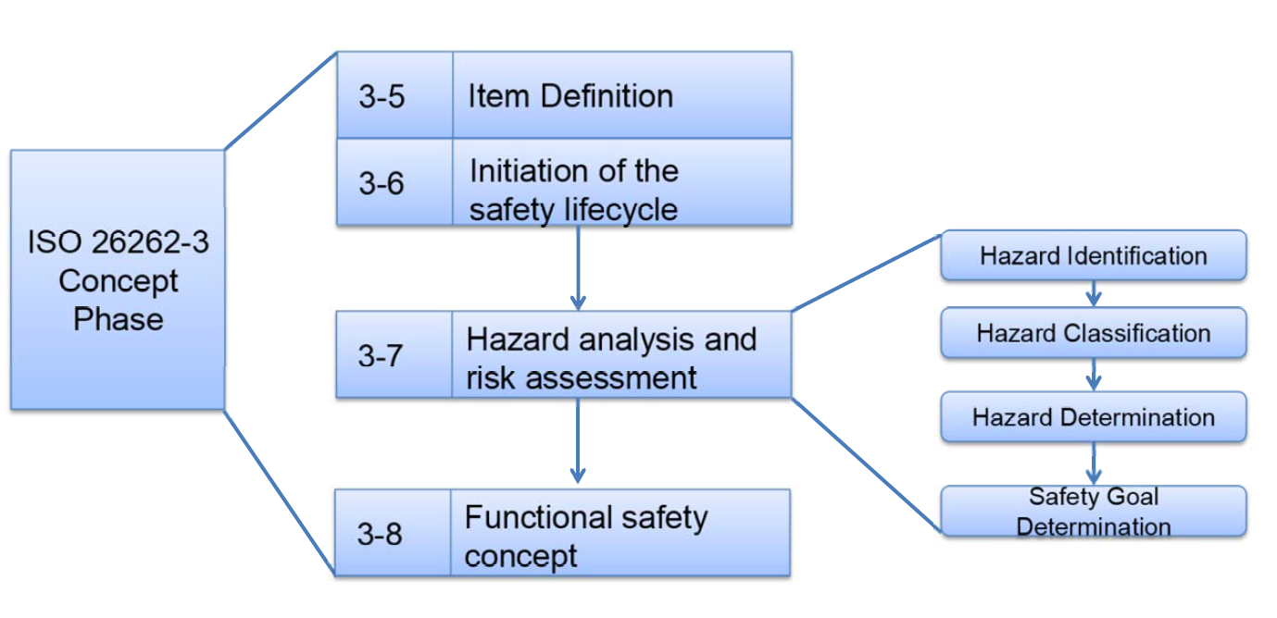
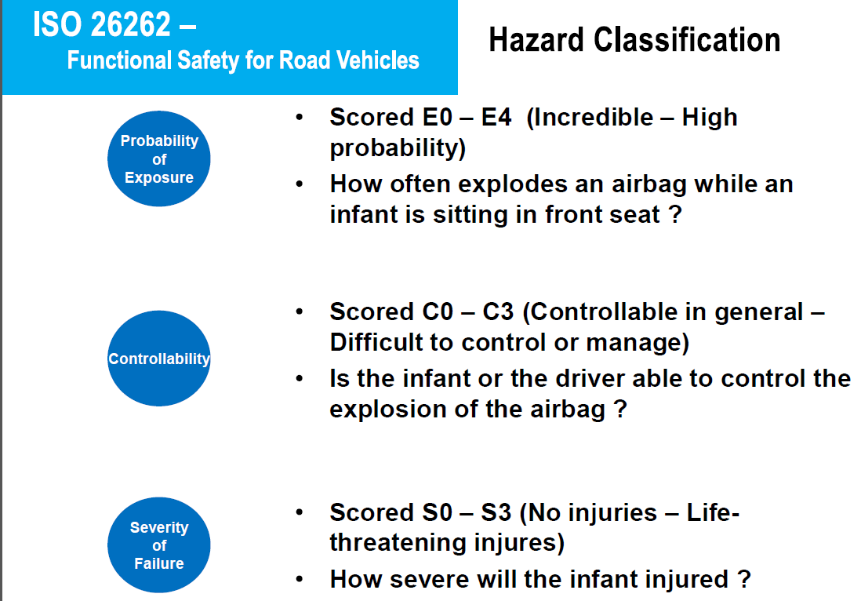
ISO 26262 - Functional safety for road vehicles : Hazard Analysis and Risk Assessment

